Standard Curve 1_03 Group 1_01
Measurement results
2024-10-21 FRAA_IgG platta 1
2024-10-21 14:14:15

Standard Curve 1

Fit type: 4PL
Concentration transformation: Logarithmic
Signal transformation: Linear
Wavelength: 450 nm

Sample group: Group 1

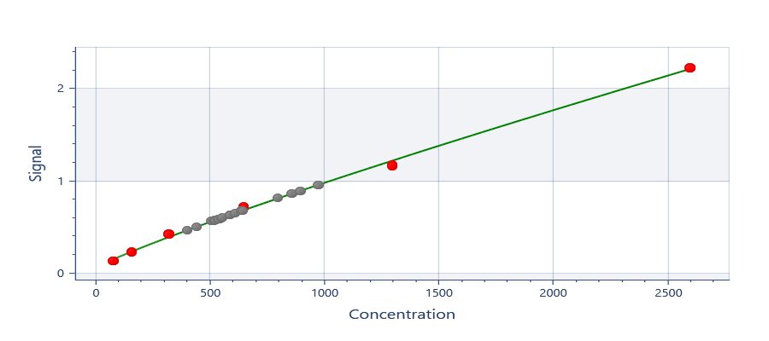

y = 2,52706E+06 + ( (0,0548761 - 2,52706E+06) / ( 1 + (x/1,78222E+10)^0,887558) )
R²: 0,998

Well | Sample | Conc. | Original signal | CV% | Fitted signal | Residual
Average | Std0001 | 81.25 | 0.1354 | 1.933 | 0.1547 | -0.01938
A03 | Std0001 | 81.25 | 0.1372 |  | 0.1547 | -0.01753
A04 | Std0001 | 81.25 | 0.1335 |  | 0.1547 | -0.02123
Average | Std0002 | 162.5 | 0.2285 | 2.879 | 0.2396 | -0.01116
A05 | Std0002 | 162.5 | 0.2238 |  | 0.2396 | -0.01581
A06 | Std0002 | 162.5 | 0.2331 |  | 0.2396 | -0.006514
Average | Std0003 | 325.0 | 0.4300 | 0.9703 | 0.3966 | 0.03330
A07 | Std0003 | 325.0 | 0.4329 |  | 0.3966 | 0.03625
A08 | Std0003 | 325.0 | 0.4270 |  | 0.3966 | 0.03035
Average | Std0004 | 650.0 | 0.7205 | 2.346 | 0.6872 | 0.03328
A09 | Std0004 | 650.0 | 0.7324 |  | 0.6872 | 0.04523
A10 | Std0004 | 650.0 | 0.7085 |  | 0.6872 | 0.02133
Average | Std0005 | 1300 | 1.175 | 1.011 | 1.225 | -0.04984
A11 | Std0005 | 1300 | 1.166 |  | 1.225 | -0.05824
A12 | Std0005 | 1300 | 1.183 |  | 1.225 | -0.04144
Average | Std0006 | 2600 | 2.233 | 0.3357 | 2.219 | 0.01381
B01 | Std0006 | 2600 | 2.228 |  | 2.219 | 0.008506
B02 | Std0006 | 2600 | 2.238 |  | 2.219 | 0.01911

Plate 1

Signal | 1 | 2 | 3 | 4 | 5 | 6 | 7 | 8 | 9 | 10 | 11 | 12
A
B |  |  | 0.8670 | 0.8164 | 0.6331 | 0.6797 | 0.5086 | 0.4703 | 0.5920 | 0.5774 | 0.6811 | 0.6838
C | 0.6062 | 0.6363 | 0.5835 | 0.5737 | 0.5880 | 0.5735 | 0.9631 | 0.8984 | 0.5665 | 0.5714 | 0.6016 | 0.6562
D
E
F
G
H

Conc. | 1 | 2 | 3 | 4 | 5 | 6 | 7 | 8 | 9 | 10 | 11 | 12
A
B |  |  | 861.8 | 801.5 | 587.7 | 641.4 | 447.2 | 404.9 | 540.9 | 524.3 | 643.0 | 646.1
C | 557.0 | 591.4 | 531.2 | 520.2 | 536.3 | 519.9 | 977.5 | 899.4 | 512.0 | 517.6 | 551.8 | 614.2
D
E
F
G
H

Sample | 1 | 2 | 3 | 4 | 5 | 6 | 7 | 8 | 9 | 10 | 11 | 12
A
B |  |  | Ctrl | Ctrl | Prov0001 | Prov0001 | Prov0002 | Prov0002 | Prov0003 | Prov0003 | Prov0004 | Prov0004
C | Prov0005 | Prov0005 | Prov0006 | Prov0006 | Prov0007 | Prov0007 | Prov0008 | Prov0008 | Prov0009 | Prov0009 | Prov0010 | Prov0010
D
E
F
G
H

Result summary
Results summary

General

Plate | Well | Group | Sample | Absorbance 1 (450nm) | Blank Subtraction 1 (450nm) | Standard Curve 1 (450nm) | Average, SD, CV% 1 (Avg 450nm) | Average, SD, CV% 1 (SD 450nm) | Average, SD, CV% 1 (CV% 450nm)
Plate 1 | A01 | Group 1 | Blank1 | 0.046 | -0.00015
Plate 1 | A02 | Group 1 | Blank1 | 0.046 | 0.00015
Plate 1 | B03 | Group 1 | Ctrl | 0.867 | 0.8211 | 861.8 | 831.6 | 42.6 | 5.123
Plate 1 | B04 | Group 1 | Ctrl | 0.816 | 0.7705 | 801.5
Plate 1 | B05 | Group 1 | Prov0001 | 0.633 | 0.5871 | 587.7 | 614.5 | 37.92 | 6.171
Plate 1 | B06 | Group 1 | Prov0001 | 0.68 | 0.6338 | 641.4
Plate 1 | B07 | Group 1 | Prov0002 | 0.509 | 0.4627 | 447.2 | 426.1 | 29.91 | 7.02
Plate 1 | B08 | Group 1 | Prov0002 | 0.47 | 0.4244 | 404.9
Plate 1 | B09 | Group 1 | Prov0003 | 0.592 | 0.5461 | 540.9 | 532.6 | 11.69 | 2.195
Plate 1 | B10 | Group 1 | Prov0003 | 0.577 | 0.5315 | 524.3
Plate 1 | B11 | Group 1 | Prov0004 | 0.681 | 0.6352 | 643 | 644.5 | 2.209 | 0.3428
Plate 1 | B12 | Group 1 | Prov0004 | 0.684 | 0.6379 | 646.1
Plate 1 | C01 | Group 1 | Prov0005 | 0.606 | 0.5603 | 557 | 574.2 | 24.31 | 4.234
Plate 1 | C02 | Group 1 | Prov0005 | 0.636 | 0.5904 | 591.4
Plate 1 | C03 | Group 1 | Prov0006 | 0.584 | 0.5376 | 531.2 | 525.7 | 7.837 | 1.491
Plate 1 | C04 | Group 1 | Prov0006 | 0.574 | 0.5278 | 520.2
Plate 1 | C05 | Group 1 | Prov0007 | 0.588 | 0.5421 | 536.3 | 528.1 | 11.6 | 2.197
Plate 1 | C06 | Group 1 | Prov0007 | 0.574 | 0.5276 | 519.9
Plate 1 | C07 | Group 1 | Prov0008 | 0.963 | 0.9172 | 977.5 | 938.4 | 55.22 | 5.884
Plate 1 | C08 | Group 1 | Prov0008 | 0.898 | 0.8525 | 899.4
Plate 1 | C09 | Group 1 | Prov0009 | 0.567 | 0.5206 | 512 | 514.8 | 3.909 | 0.7594
Plate 1 | C10 | Group 1 | Prov0009 | 0.571 | 0.5255 | 517.6
Plate 1 | C11 | Group 1 | Prov0010 | 0.602 | 0.5557 | 551.8 | 583 | 44.17 | 7.576
Plate 1 | C12 | Group 1 | Prov0010 | 0.656 | 0.6103 | 614.2
Plate 1 | A03 | Group 1 | Std0001 | 0.137 | 0.09125
Plate 1 | A04 | Group 1 | Std0001 | 0.134 | 0.08755
Plate 1 | A05 | Group 1 | Std0002 | 0.224 | 0.1779
Plate 1 | A06 | Group 1 | Std0002 | 0.233 | 0.1872
Plate 1 | A07 | Group 1 | Std0003 | 0.433 | 0.387
Plate 1 | A08 | Group 1 | Std0003 | 0.427 | 0.3811
Plate 1 | A09 | Group 1 | Std0004 | 0.732 | 0.6865
Plate 1 | A10 | Group 1 | Std0004 | 0.709 | 0.6626
Plate 1 | A11 | Group 1 | Std0005 | 1.166 | 1.12
Plate 1 | A12 | Group 1 | Std0005 | 1.183 | 1.137
Plate 1 | B01 | Group 1 | Std0006 | 2.228 | 2.182
Plate 1 | B02 | Group 1 | Std0006 | 2.238 | 2.192

Special

Standard Curve 1 - Group 1
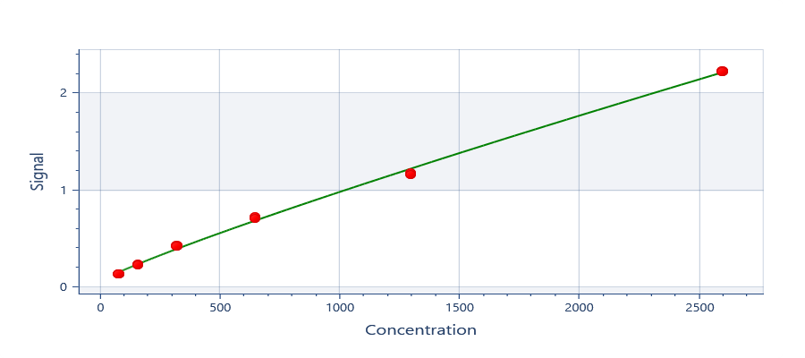

y = 2,52706E+06 + ( (0,0548761 - 2,52706E+06) / ( 1 + (x/1,78222E+10)^0,887558) )
R²: 0,998

Plate | Sample | Concentration | Average Signal | CV% | Fitted Signal | Residual
Plate 1 | Std0001 | 81.25 | 0.1354 | 1.933 | 0.1547 | -0.01938
Plate 1 | Std0002 | 162.5 | 0.2285 | 2.879 | 0.2396 | -0.01116
Plate 1 | Std0003 | 325 | 0.43 | 0.9703 | 0.3966 | 0.0333
Plate 1 | Std0004 | 650 | 0.7205 | 2.346 | 0.6872 | 0.03328
Plate 1 | Std0005 | 1300 | 1.175 | 1.011 | 1.225 | -0.04984
Plate 1 | Std0006 | 2600 | 2.233 | 0.3357 | 2.219 | 0.01381

